Script
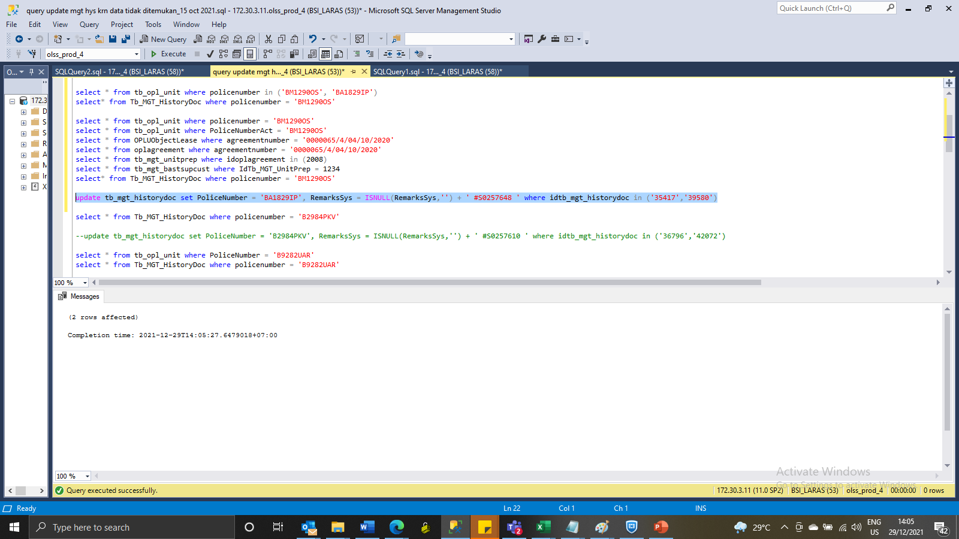
update tb_mgt_historydoc set PoliceNumber = 'BA1829IP', RemarksSys = ISNULL(RemarksSys,'') + ' #S0257648 ' where idtb_mgt_historydoc in ('35417','39580')

SS
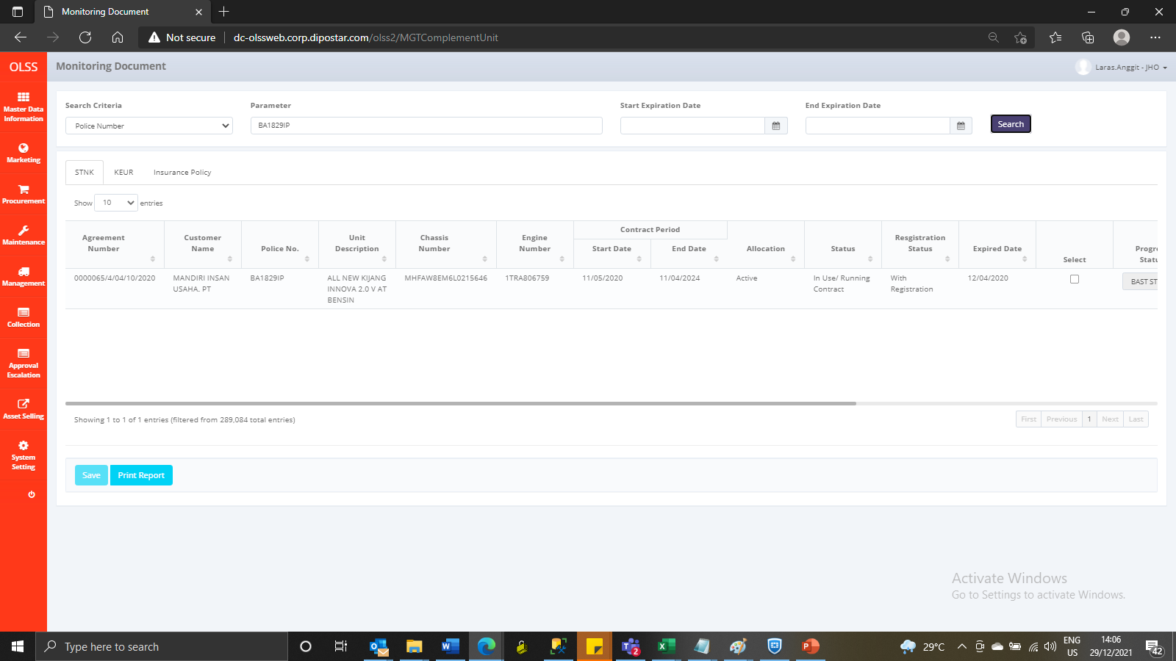
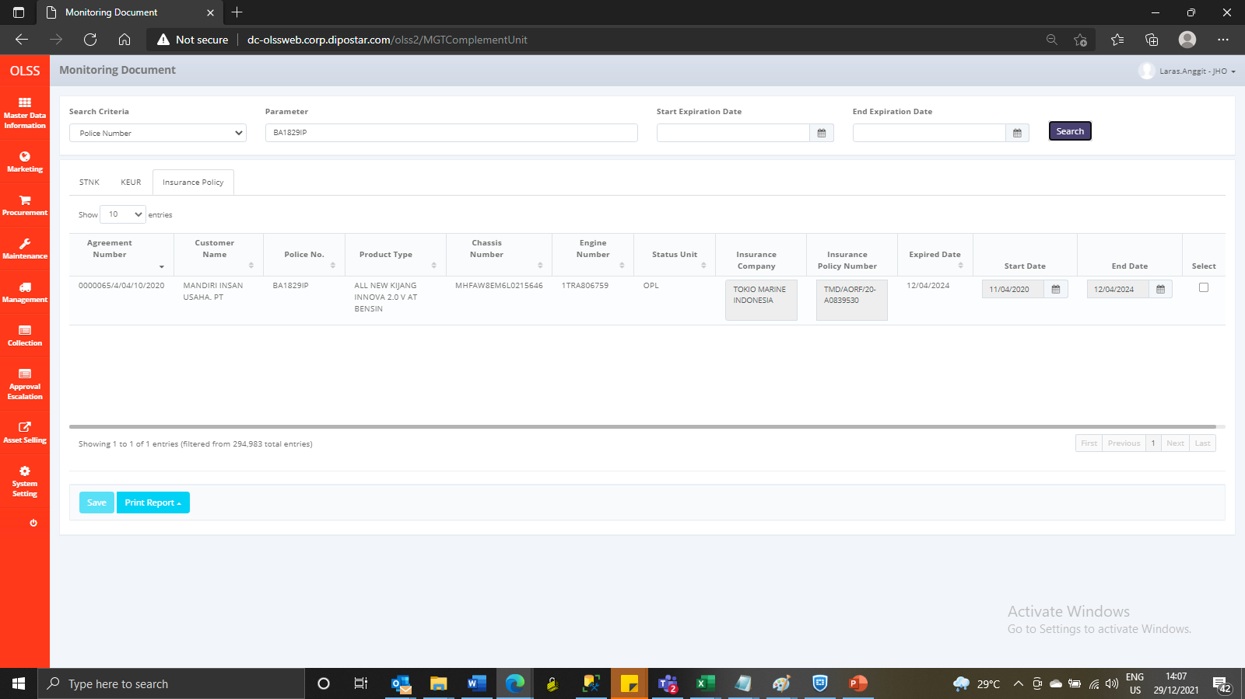
Before



After

